Sheet1
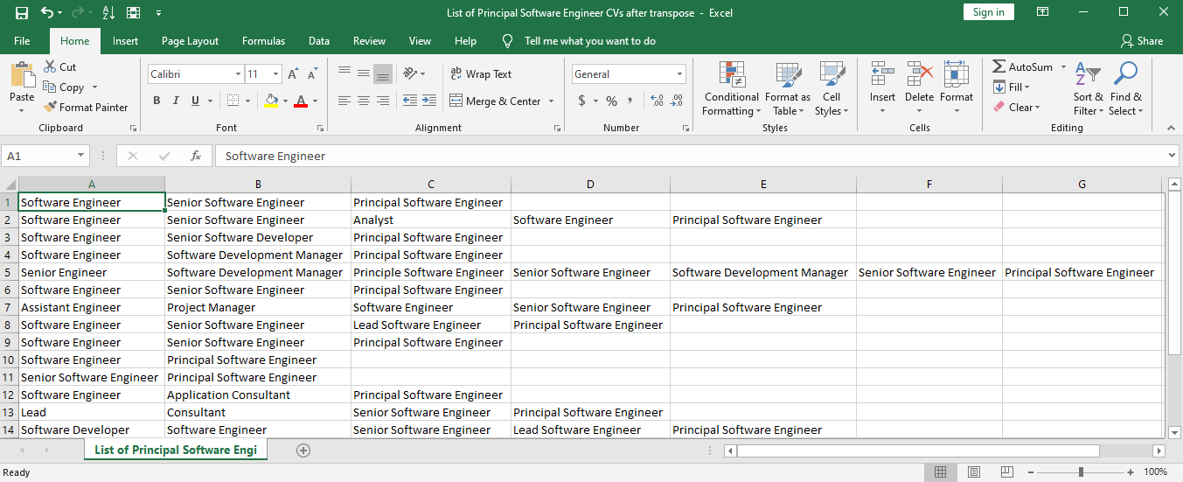
Step 1: Upload list of CVs dataset into script folder and run python code
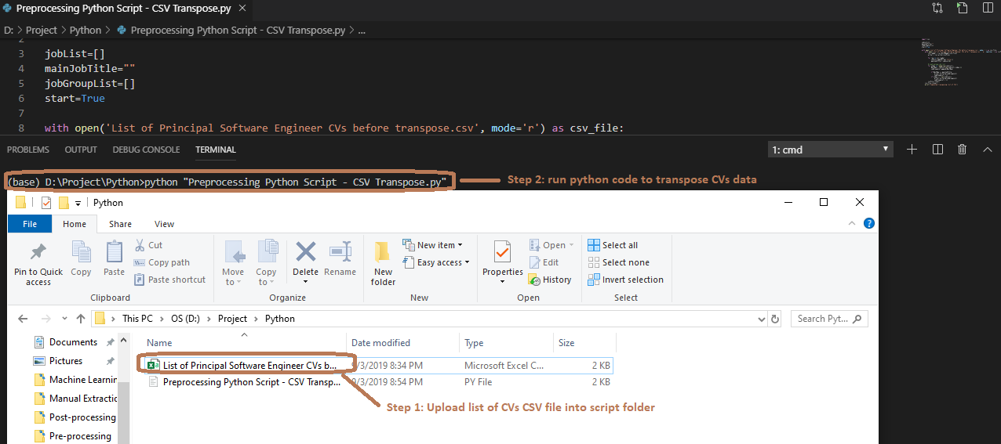

Step 2: Open generated transposed CV data for verification
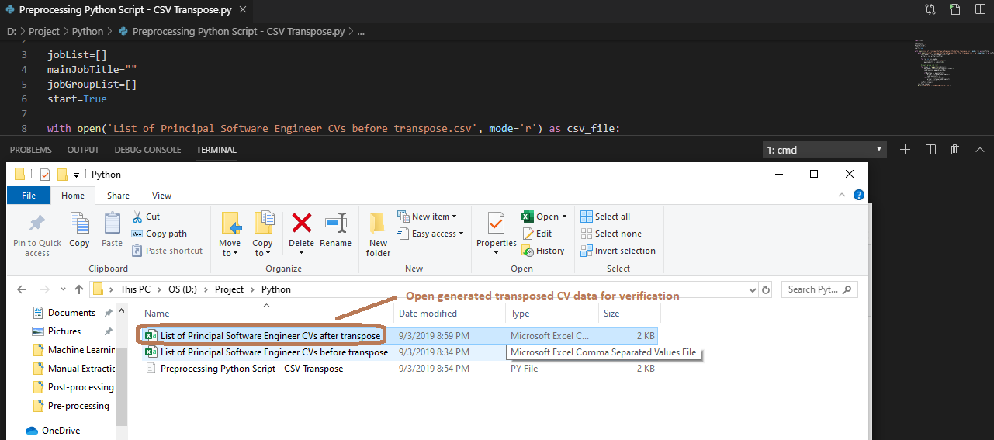

Transposed CV data

